Problem Statement
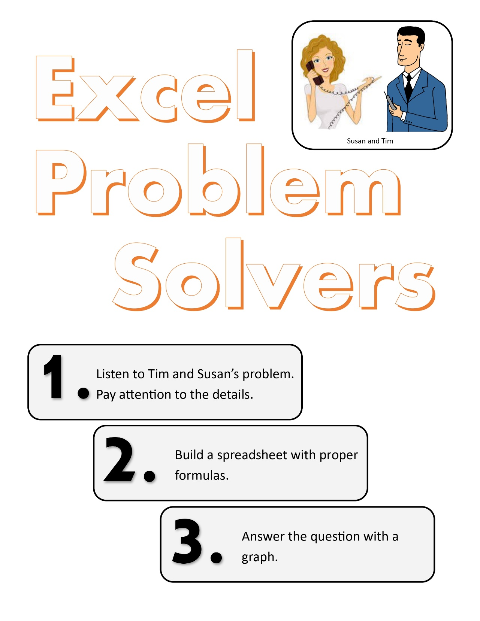
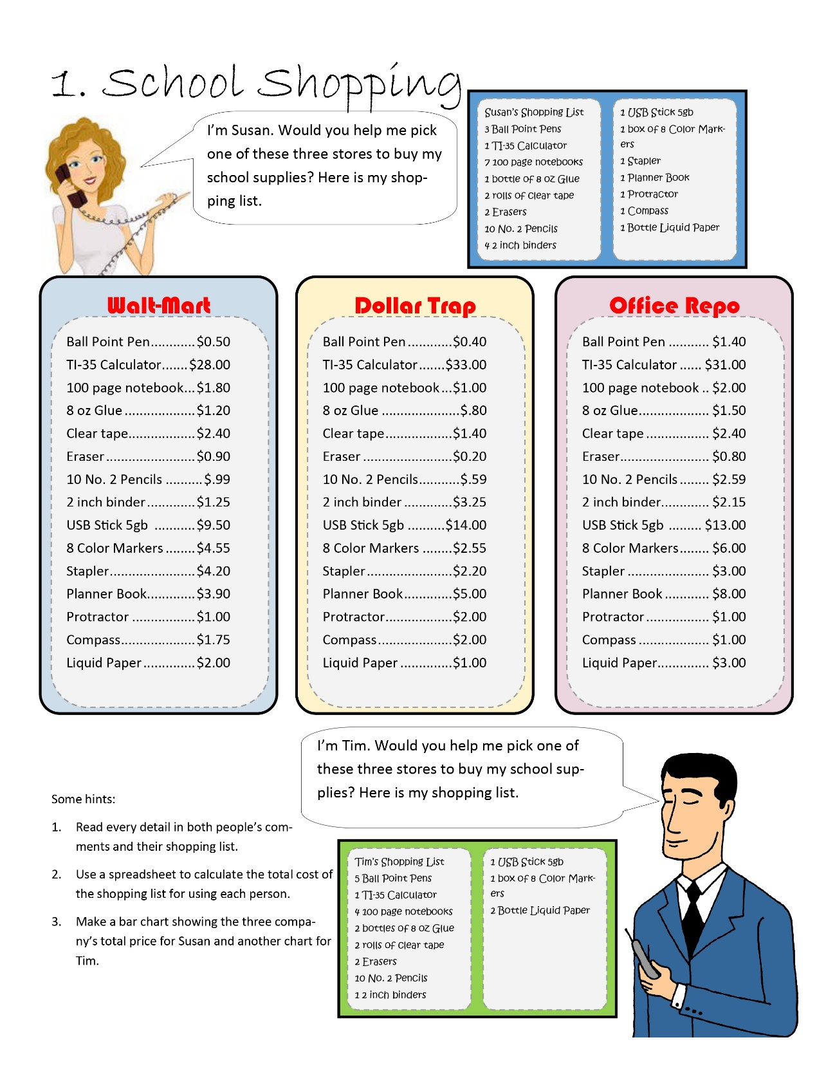

School Shopping
 | WaltMart | Dollar Trap | Office Repo | Susan | WaltMart | Dollar Trap | Office Repo | Tim | WaltMart | Dollar Trap | Office Repo
Ball Point Pen | $0.50 | $0.40 | $1.40 | 3 | $1.50 | $1.20 | $4.20 | 5 | $2.50 | $2.00 | $7.00
TI-35 Calculator | $28.00 | $33.00 | $31.00 | 1 | $28.00 | $33.00 | $31.00 | 1 | $28.00 | $33.00 | $31.00
100 page notebook | $1.80 | $1.00 | $2.00 | 7 | $12.60 | $7.00 | $14.00 | 4 | $7.20 | $4.00 | $8.00
8 oz Glue | $1.20 | $0.80 | $1.50 | 1 | $1.20 | $0.80 | $1.50 | 2 | $2.40 | $1.60 | $3.00
Clear tape | $2.40 | $1.40 | $2.40 | 2 | $4.80 | $2.80 | $4.80 | 2 | $4.80 | $2.80 | $4.80
Eraser | $0.90 | $0.20 | $0.80 | 2 | $1.80 | $0.40 | $1.60 | 2 | $1.80 | $0.40 | $1.60
10 No. 2 Pencils | $0.99 | $0.59 | $2.59 | 1 | $0.99 | $0.59 | $2.59 | 1 | $0.99 | $0.59 | $2.59
2 inch binder | $1.25 | $3.25 | $2.15 | 4 | $5.00 | $13.00 | $8.60 | 1 | $1.25 | $3.25 | $2.15
USB Stick 5gb | $9.50 | $14.00 | $13.00 | 1 | $9.50 | $14.00 | $13.00 | 1 | $9.50 | $14.00 | $13.00
8 Color Markers | $4.55 | $2.55 | $6.00 | 1 | $4.55 | $2.55 | $6.00 | 1 | $4.55 | $2.55 | $6.00
Stapler | $4.20 | $2.20 | $3.00 | 1 | $4.20 | $2.20 | $3.00 | 2 | $8.40 | $4.40 | $6.00
Planner Book | $3.90 | $5.00 | $8.00 | 1 | $3.90 | $5.00 | $8.00 | - | $0.00 | $0.00 | $0.00
Protractor | $1.00 | $2.00 | $1.00 | 1 | $1.00 | $2.00 | $1.00 | - | $0.00 | $0.00 | $0.00
Compass | $1.75 | $2.00 | $1.00 | 1 | $1.75 | $2.00 | $1.00 | - | $0.00 | $0.00 | $0.00
Liquid Paper | $2.00 | $1.00 | $3.00 | 1 | $2.00 | $1.00 | $3.00 | - | $0.00 | $0.00 | $0.00
 |  |  |  |  | WaltMart | Dollar Trap | Office Repo |  | WaltMart | Dollar Trap | Office Repo
 |  |  |  |  | $82.79 | $87.54 | $103.29 |  | $71.39 | $68.59 | $85.14

WaltMart | $82.79
Dollar Trap | $87.54
Office Repo | $103.29
WaltMart | $71.39
Dollar Trap | $68.59
Office Repo | $85.14

